Flying Lead Map
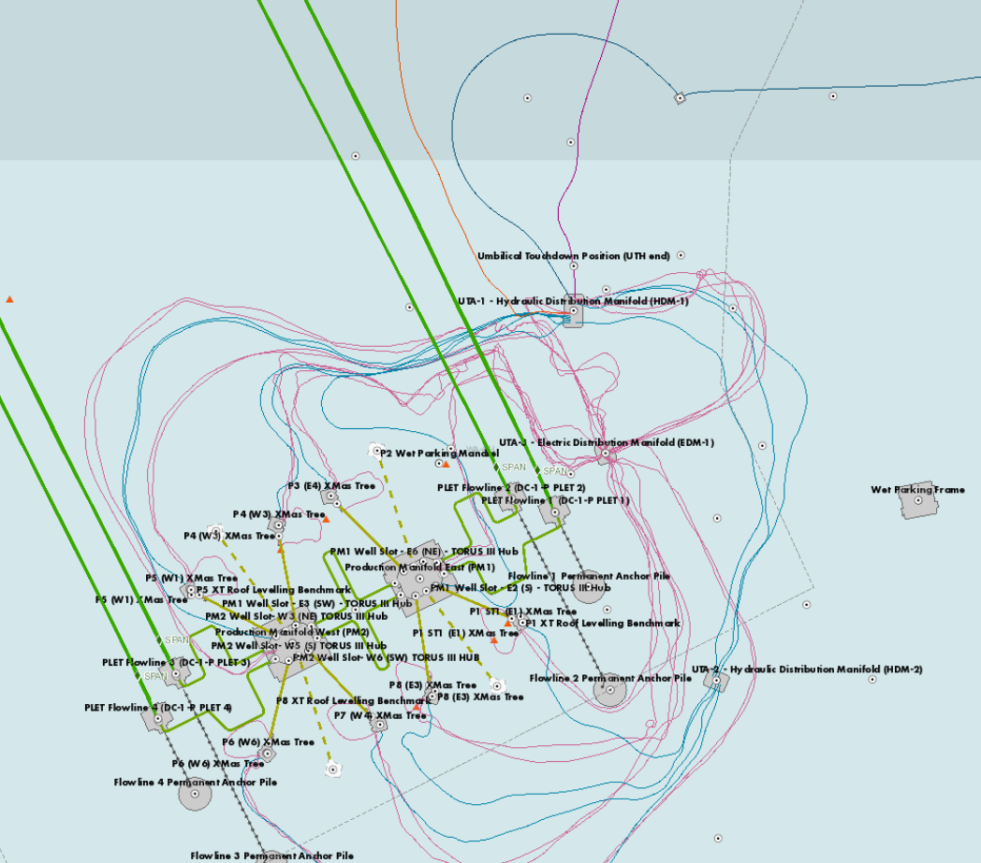

Pink is Electrical
Blue is Hydraulic

